Inner Join
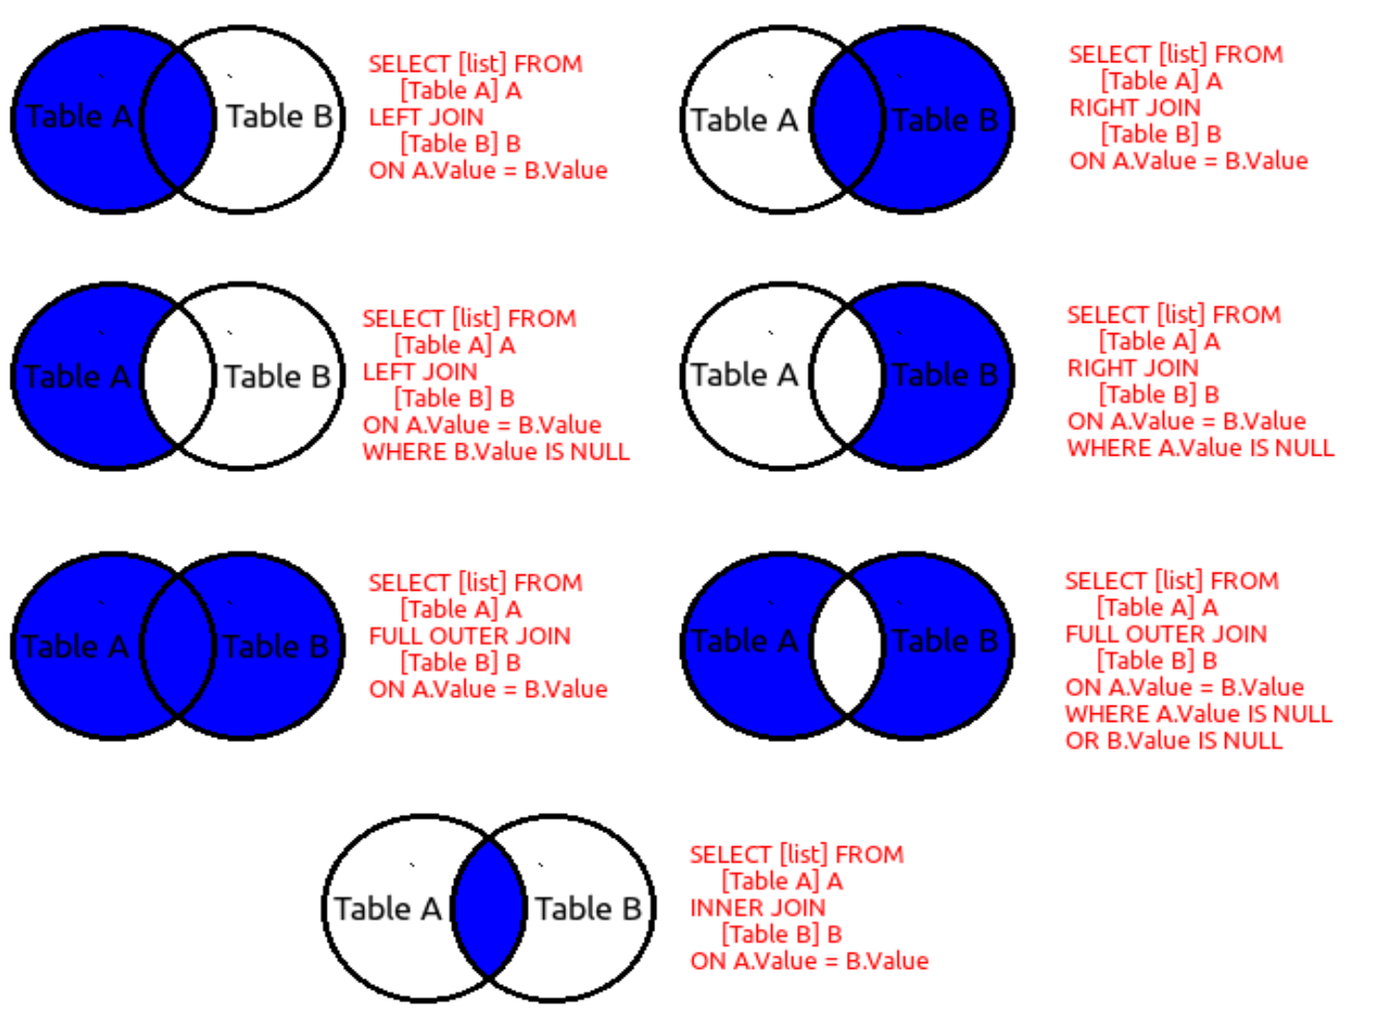
Table-A |  | "a" |  | Table-B |  | "b"
ID | Name |  |  | Sno | Age
1 | Parmeet |  |  | 1 | 21
2 | Mansi |  |  | 7 | 22
3 | Priyanshu |  |  | 5 | 23
4 | Lakshit |  |  | 8 | 24
5 | Trishaan |  |  | 3 | 25
6 | Anit |  |  | 9 | 26

Inner Join | It will return all the records from the primary table with matching secondaries

Query | select a.ID, a.Name, b.Sno, b.Age from Table-A a inner join Table-B b on a.ID =b.Sno

ID | Name | Sno | Age
1 | Parmeet | 1 | 21
3 | Prisyanshu | 3 | 25
5 | Trishaan | 5 | 23

